Collection structures - Process
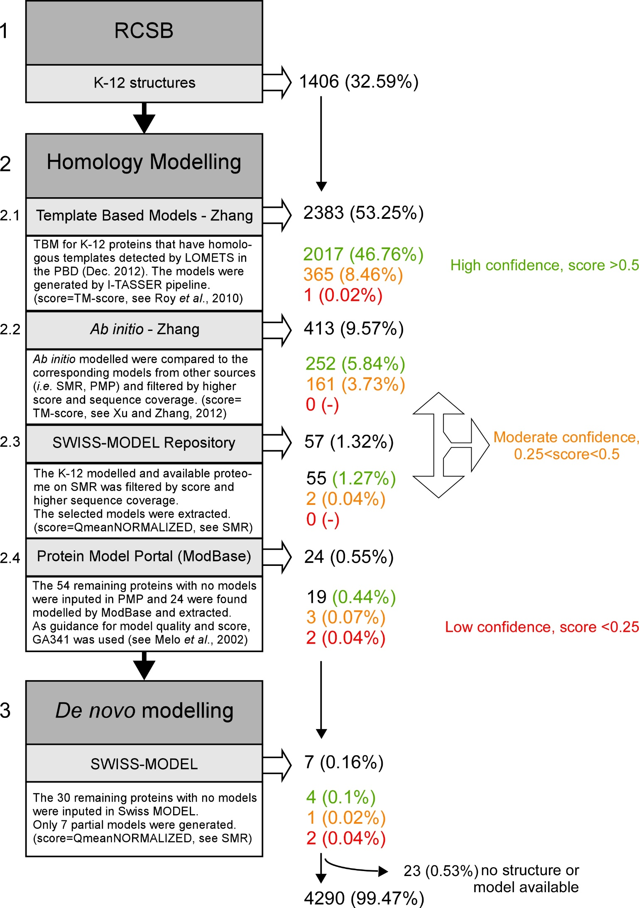
Workflow E. coli K-12 structures and models:
For the listing of all protein structures available for K-12, the Protein Data Bank (RCSB-PBD) was filtered for K-12 Uniprot entries (4313). Only 1406 K-12 proteins have experimental structures with ≥30% coverage solved by X-ray, NMR and/or EM (workflow: STEP 1).
Homology based models of the remaining 2907 proteins were searched in specialized modelling websites and models repositories, like https://zhanglab.ccmb.med.umich.edu/Ecoli/, https://swissmodel.expasy.org/repository and https://www.proteinmodelportal.org/ (workflow: STEP 2). All sorted models possess a quality estimation score (0-1) that have been used to classify them in our list as high confidence models (score≥0.5, colour green), moderate confidence (0.25≤score≤0.5, colour orange) and low confidence (score≤0.25, colour red).
Zhang proposed TBMs and ab initio models. The TBMs generally have homologous templates in the PDB library that can be detected by LOMETS. The continuous modelled fragments are then excised and used to re-assemble the full-length models by the I-TASSER simulations. Finally, FG-MD simulations are used to refine the atomic models. On the other hand, the ab initio models have no homologous templates that can be detected by LOMETS from the PDB library, and they are judged as hard distant-homology proteins. The structural models were generated by QUARK based structure assembly simulations. Both 3784 TBMs and 495 ab initio models were screened and sort according to their TM-score (workflow: STEP 2.1 and 2.2). This search in Zhang’s proposed models yielded 2383 K-12 modelled proteins in total. 81 proteins have homology based models from other repository site, like SWISS-MODEL (SMR) and Protein Model Portal (PMP). The SWISS-MODEL repository gives access to 6376 K-12 models, which need to be filtered for unique models. Among these 81 models, 57 are extracted from SMR (workflow: STEP 2.3). We could classify 55 (1.27%) models having a high confidence score and only 2 (0.04%) showing moderate confidence. On the other hand, from Protein Model Portal (PMP) 24 more models were derived. Those models generally show a sufficiently good confidence score, apart for 2 models (workflow: STEP 2.4). Those 24 models were generated using ModBase, an automated modelling pipeline relying on the programs PSI-BLAST and MODELLER. 19 (0.44%) out of 24 models are classified having high confidence, 3 (0.07%) having moderate confidence and 2 (0.04%) having low confidence.
De novo modelling using SWISS-MODEL was performed on 30 K-12 sequences that had no models or structures available (workflow: STEP 3). Excluding 23 cases of failed modelling due to absence of homologue targets of sufficient quality and proteins being shorter than 30 residues, we were able to generate 7 (0.16%) partial new models, of which 4 (0.1%) with high confidence, 1 (0.02%) with moderate confidence, 2 (0.04%) with low confidence but mostly showing incomplete sequence coverage. The total number of K-12 proteins with structures or models sums up to 4290, corresponding to 99.47% of the full proteome.
Abbreviations: PMP = Protein Model Portal; SMR = SWISS-MODEL Repository; TBM = Template based model.

